TEDB Edition 40
The United States has long recognized the problem of oil dependence and the economic problems that arise from it. Greene, Lee and Hopson define oil dependence as a combination of four factors: (1) a noncompetitive world oil market strongly influenced by the Organization of the Petroleum Exporting Countries (OPEC) cartel, (2) high levels of U.S. imports, (3) the importance of oil to the U.S. economy, and (4) the lack of economical and readily available substitutes for oil. The most recent study shows that the U.S. economy suffered the greatest losses in 2008 when wealth transfer and gross domestic product (GDP) losses (combined) amounted to nearly half a trillion dollars. However, when comparing oil dependence to the size of the economy, the year 1980 is the highest. Low oil prices in 2009-2010 and 2013-2014 caused total dependence cost to drop; in 2018, the total cost was about $100 billion (in 2018 dollars).

Figure 11.7. Costs of Oil Dependence to the U.S. Economy, 1970–2018
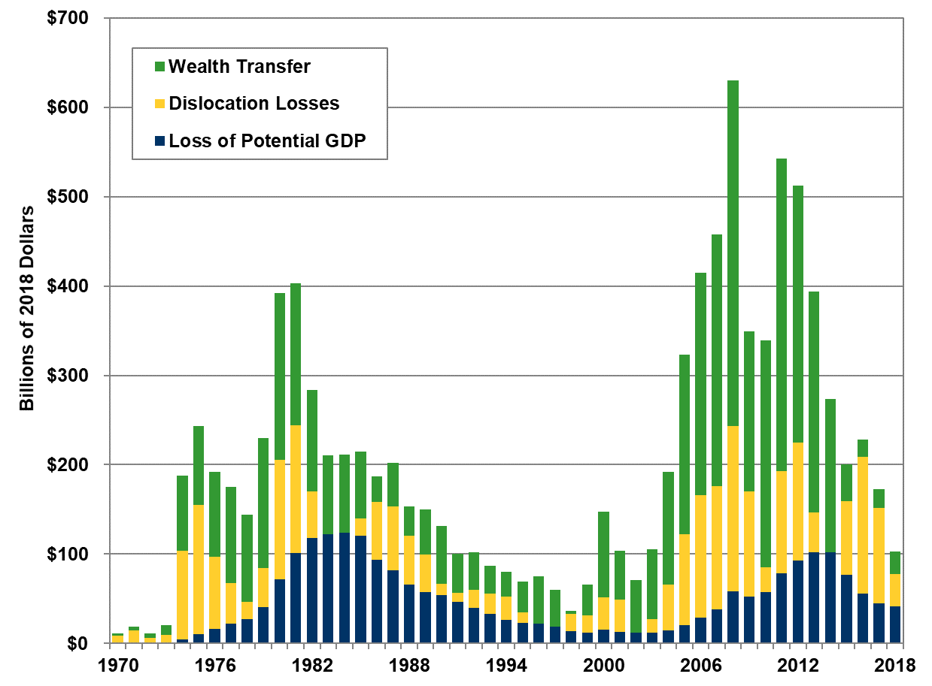

 |  | Constant 2018 dollars (billions)
 |  |  | Dislocation | Wealth
 |  | Potential GDP | Losses | Transfer
 | 1970 | $0 | $8 | $3
 | 1971 | $0 | $14 | $4
 | 1972 | $0 | $6 | $5
 | 1973 | $0 | $9 | $11
 | 1974 | $4 | $99 | $85
 | 1975 | $10 | $145 | $88
 | 1976 | $16 | $81 | $95
 | 1977 | $22 | $45 | $107
 | 1978 | $27 | $19 | $97
 | 1979 | $41 | $43 | $146
 | 1980 | $72 | $133 | $187
 | 1981 | $101 | $143 | $159
 | 1982 | $118 | $53 | $114
 | 1983 | $122 | $0 | $89
 | 1984 | $124 | $0 | $87
 | 1985 | $121 | $19 | $75
 | 1986 | $94 | $65 | $28
 | 1987 | $82 | $72 | $49
 | 1988 | $66 | $55 | $33
 | 1989 | $57 | $42 | $51
 | 1990 | $54 | $13 | $65
 | 1991 | $46 | $11 | $44
 | 1992 | $40 | $20 | $42
 | 1993 | $33 | $23 | $31
 | 1994 | $27 | $26 | $28
 | 1995 | $23 | $12 | $34
 | 1996 | $22 | $0 | $54
 | 1997 | $19 | $0 | $41
 | 1998 | $14 | $19 | $3
 | 1999 | $12 | $19 | $35
 | 2000 | $15 | $36 | $97
 | 2001 | $13 | $36 | $54
 | 2002 | $12 | $0 | $58
 | 2003 | $12 | $15 | $78
 | 2004 | $15 | $51 | $126
 | 2005 | $20 | $102 | $201
 | 2006 | $29 | $137 | $249
 | 2007 | $38 | $139 | $282
 | 2008 | $58 | $185 | $387
 | 2009 | $53 | $118 | $179
 | 2010 | $57 | $27 | $254
 | 2011 | $78 | $114 | $350
 | 2012 | $93 | $132 | $288
 | 2013 | $102 | $45 | $247
 | 2014 | $102 | $0 | $171
 | 2015 | $76 | $83 | $41
 | 2016 | $56 | $153 | $19
 | 2017 | $45 | $107 | $21
 | 2018 | $41 | $37 | $25

Notes:
Wealth Transfer is the product of total U.S. oil imports and the difference between the actual market price of oil (influenced by market power) and what the price would have been in a competitive market.

Dislocation Losses are temporary reductions in GDP as a result of oil price shocks.
Loss of Potential Gross Domestic Product (GDP) results because a basic resource used by the economy to produce output has become more expensive. As a consequence, with the same endowment of labor, capital, and other resources, our economy cannot produce quite as much as it could have at a lower oil price.

Source:
Greene, David L., Roderick Lee, and Janet L. Hopson, OPEC and the Costs to the U.S. Economy of Oil Dependence: 1970-2010, Oak Ridge National Laboratory Memorandum, 2011, and updates from the ORNL Transportation Energy Evolution Modeling Team.

